Protein
Biomass fractions of Anabaena sp. UTEX 2576 (Protein)
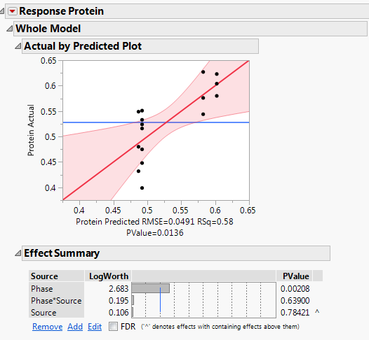
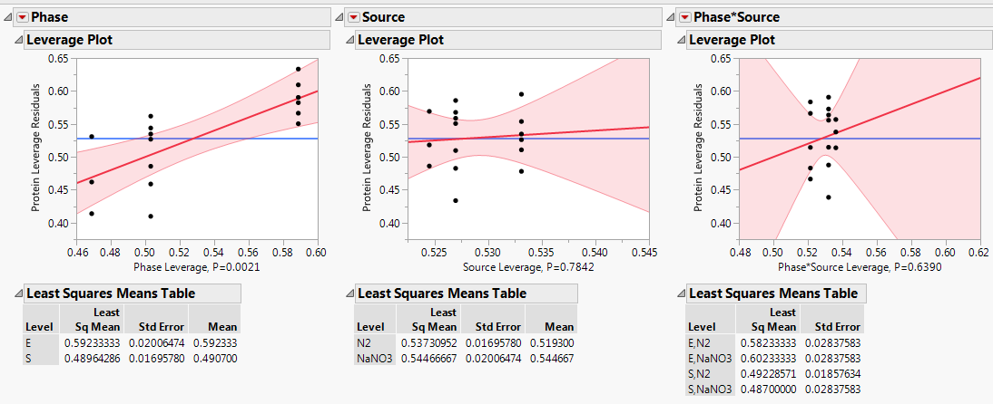
Protein g/gDW | Growth Phase | Nitrogen source
0.4800 | Stationary (S) | NaNO3
0.5490 | Stationary (S) | NaNO3
0.6230 | Exponential (E) | NaNO3
0.5800 | Exponential (E) | NaNO3
0.4320 | Stationary (S) | NaNO3
0.6040 | Exponential (E) | NaNO3
0.4480 | Stationary (S) | N2
0.3990 | Stationary (S) | N2
0.4750 | Stationary (S) | N2
0.5240 | Stationary (S) | N2
0.5160 | Stationary (S) | N2
0.5760 | Exponential (E) | N2
0.6270 | Exponential (E) | N2
0.5440 | Exponential (E) | N2
0.5510 | Stationary (S) | N2
0.5330 | Stationary (S) | N2

Conclusion:
Protein fraction is not affected by Nitrogen source
There is not statistical evidence to reject the null hypothesis
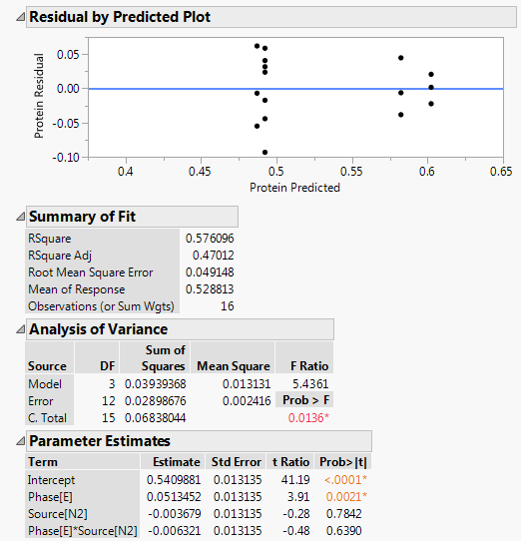
Nitrogen source
p-Value: | 0.78421 | >0.05

Protein fraction is affected by Growth phase
There is statistical evidence to reject the null hypothesis
Mean protein fraction is higher in Cultures in exponential phase
Growth Phase
p-Value: | 0.00208 | <0.05

Carbohydrate
Biomass fractions of Anabaena sp. UTEX 2576 (Carbohydrate)

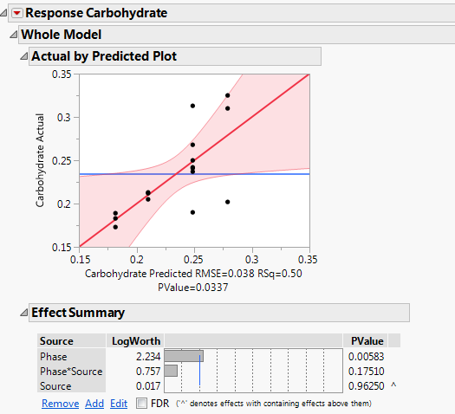
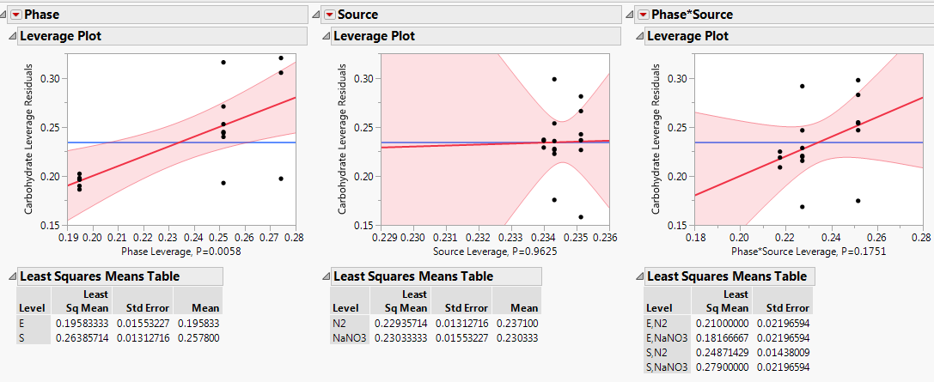
Carbohydrate g/gDW | Growth Phase | Nitrogen source
0.3250 | Stationary (S) | NaNO3
0.2020 | Stationary (S) | NaNO3
0.1730 | Exponential (E) | NaNO3
0.1890 | Exponential (E) | NaNO3
0.3100 | Stationary (S) | NaNO3
0.1830 | Exponential (E) | NaNO3
0.2680 | Stationary (S) | N2
0.2420 | Stationary (S) | N2
0.2410 | Stationary (S) | N2
0.2500 | Stationary (S) | N2
0.3130 | Stationary (S) | N2
0.2130 | Exponential (E) | N2
0.2120 | Exponential (E) | N2
0.2050 | Exponential (E) | N2
0.1900 | Stationary (S) | N2
0.2370 | Stationary (S) | N2

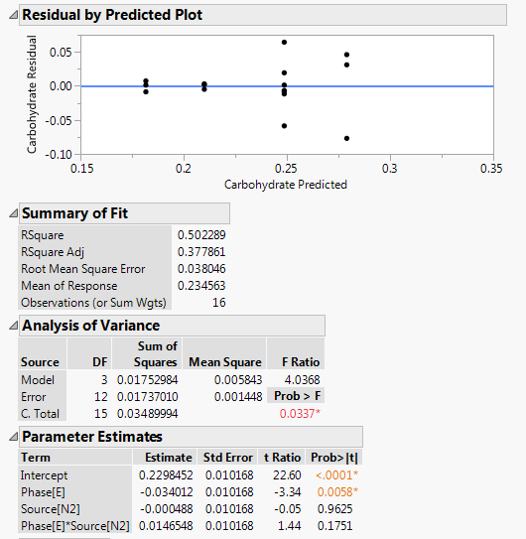
Conclusion:
Carbohydrate fraction is not affected by Nitrogen source
There is not statistical evidence to reject the null hypothesis

Nitrogen source
p-Value: | 0.9625 | >0.05

Carbohydrate fraction is affected by Growth phase
There is statistical evidence to reject the null hypothesis
Mean carbohydrate fraction is higher in Cultures in stationary phase
Growth Phase
p-Value: | 0.00583 | <0.05

Lipids
Biomass fractions of Anabaena sp. UTEX 2576 (Lipids)

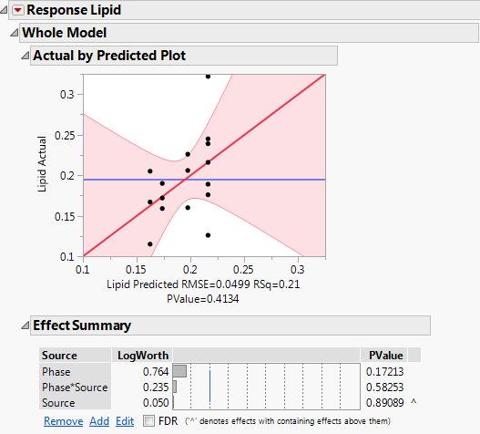
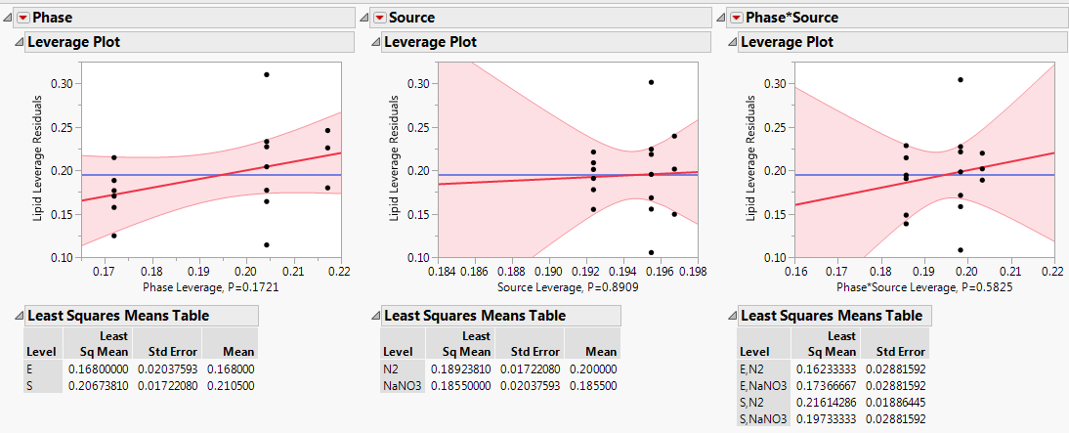
Lipids g/gDW | Growth Phase | Nitrogen source
0.1600 | Stationary (S) | NaNO3
0.2060 | Stationary (S) | NaNO3
0.1590 | Exponential (E) | NaNO3
0.1900 | Exponential (E) | NaNO3
0.2260 | Stationary (S) | NaNO3
0.1720 | Exponential (E) | NaNO3
0.2390 | Stationary (S) | N2
0.3220 | Stationary (S) | N2
0.2450 | Stationary (S) | N2
0.1890 | Stationary (S) | N2
0.1260 | Stationary (S) | N2
0.1670 | Exponential (E) | N2
0.1150 | Exponential (E) | N2
0.2050 | Exponential (E) | N2
0.2160 | Stationary (S) | N2
0.1760 | Stationary (S) | N2

Conclusion:
Lipid fraction is not affected by Nitrogen source
There is not statistical evidence to reject the null hypothesis
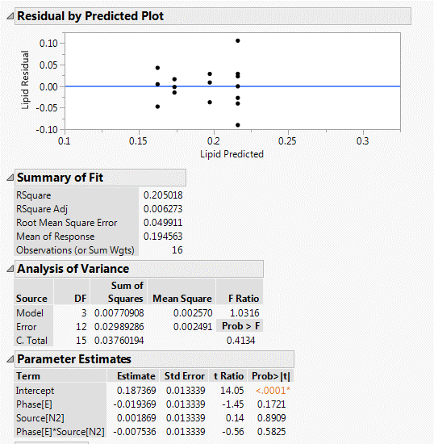
Nitrogen source
p-Value: | 0.89089 | >0.05

Carbohydrate fraction is not affected by Growth phase
There is not statistical evidence to reject the null hypothesis

Growth Phase
p-Value: | 0.17213 | >0.05

DNA
Biomass fractions of Anabaena sp. UTEX 2576 (DNA)
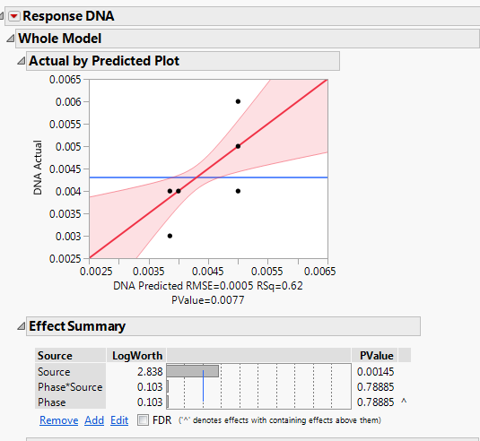
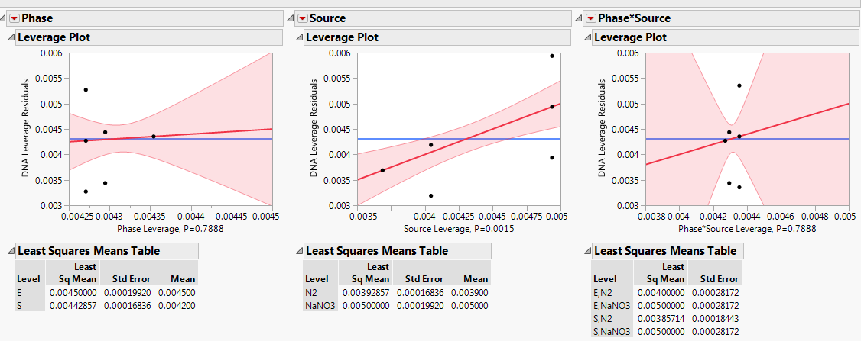
DNA g/gDW | Growth Phase | Nitrogen source
0.0040 | Stationary (S) | NaNO3
0.0060 | Stationary (S) | NaNO3
0.0050 | Exponential (E) | NaNO3
0.0050 | Exponential (E) | NaNO3
0.0050 | Stationary (S) | NaNO3
0.0050 | Exponential (E) | NaNO3
0.0040 | Stationary (S) | N2
0.0040 | Stationary (S) | N2
0.0040 | Stationary (S) | N2
0.0030 | Stationary (S) | N2
0.0040 | Stationary (S) | N2
0.0040 | Exponential (E) | N2
0.0040 | Exponential (E) | N2
0.0040 | Exponential (E) | N2
0.0040 | Stationary (S) | N2
0.0040 | Stationary (S) | N2

Conclusion:
DNA fraction is affected by Nitrogen source
There is statistical evidence to reject the null hypothesis
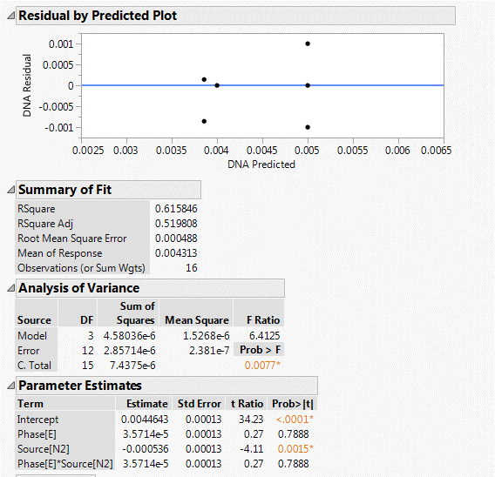
Mean DNA fraction is higher for Cultures with NaNO3
Nitrogen source
p-Value: | 0.00145 | <0.05

DNA fraction is not affected by Growth phase
There is not statistical evidence to reject the null hypothesis

Growth Phase
p-Value: | 0.78885 | >0.05

RNA
Biomass fractions of Anabaena sp. UTEX 2576 (RNA)

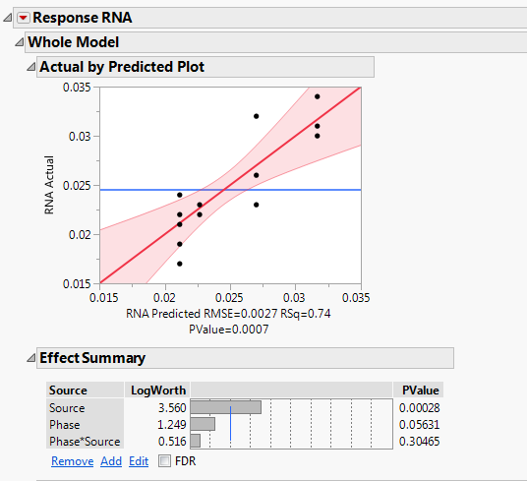
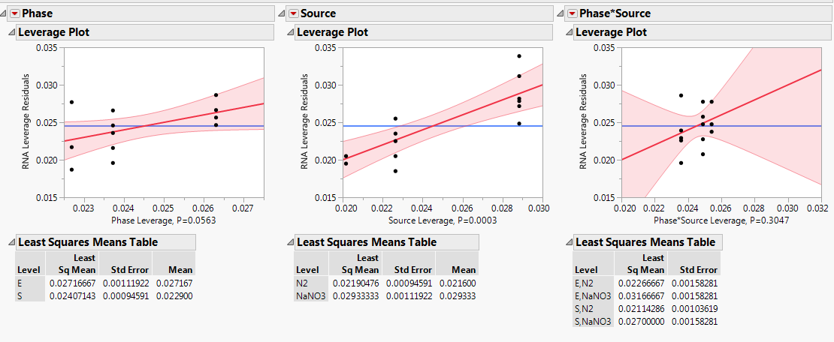
RNA g/gDW | Growth Phase | Nitrogen source
0.0260 | Stationary (S) | NaNO3
0.0320 | Stationary (S) | NaNO3
0.0340 | Exponential (E) | NaNO3
0.0310 | Exponential (E) | NaNO3
0.0230 | Stationary (S) | NaNO3
0.0300 | Exponential (E) | NaNO3
0.0240 | Stationary (S) | N2
0.0170 | Stationary (S) | N2
0.0190 | Stationary (S) | N2
0.0210 | Stationary (S) | N2
0.0220 | Stationary (S) | N2
0.0220 | Exponential (E) | N2
0.0230 | Exponential (E) | N2
0.0230 | Exponential (E) | N2
0.0210 | Stationary (S) | N2
0.0240 | Stationary (S) | N2

Conclusion:
RNA fraction is affected by Nitrogen source
There is statistical evidence to reject the null hypothesis
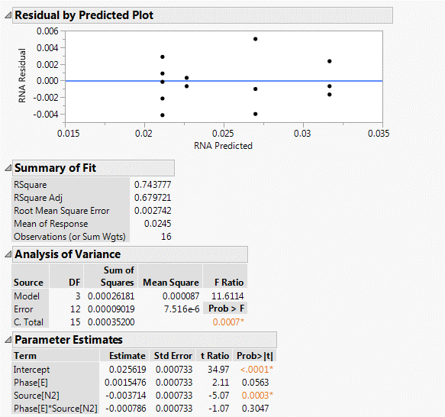
Mean RNA fraction is higher for Cultures with NaNO3
Nitrogen source
p-Value: | 0.00028 | <0.05

RNA fraction is not affected by Growth phase
There is not statistical evidence to reject the null hypothesis

Growth Phase
p-Value: | 0.05631 | >0.05

Chlorophyll A
Biomass fractions of Anabaena sp. UTEX 2576 (Chlorophyll A)

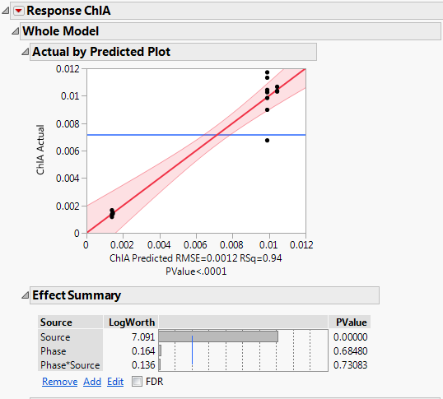
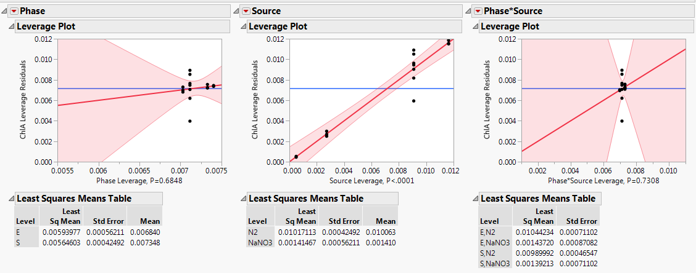
Chlorophyll A g/gDW | Growth Phase | Nitrogen source
0.0017 | Stationary (S) | NaNO3
0.0014 | Stationary (S) | NaNO3
0.0015 | Exponential (E) | NaNO3
0.0014 | Exponential (E) | NaNO3
0.0012 | Stationary (S) | NaNO3
0.0104 | Stationary (S) | N2
0.0090 | Stationary (S) | N2
0.0098 | Stationary (S) | N2
0.0068 | Stationary (S) | N2
0.0113 | Stationary (S) | N2
0.0103 | Exponential (E) | N2
0.0104 | Exponential (E) | N2
0.0107 | Exponential (E) | N2
0.0103 | Stationary (S) | N2
0.0117 | Stationary (S) | N2

Conclusion:
Chlorophyll fraction is affected by Nitrogen source
There is statistical evidence to reject the null hypothesis
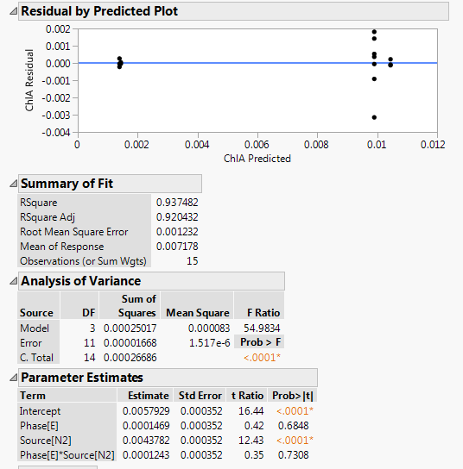
Mean Chlorophyll fraction is higher for Cultures with N2
Nitrogen source
p-Value: | <0.0001 | <0.05

Chlorophyll fraction is not affected by Growth phase
There is not statistical evidence to reject the null hypothesis

Growth Phase
p-Value: | 0.6848 | >0.05

Tot Carotenes
Biomass fractions of Anabaena sp. UTEX 2576 (Carotenes and Xanthophylls)

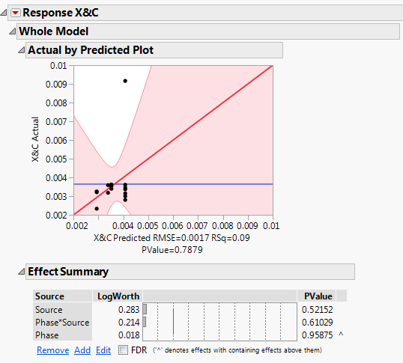
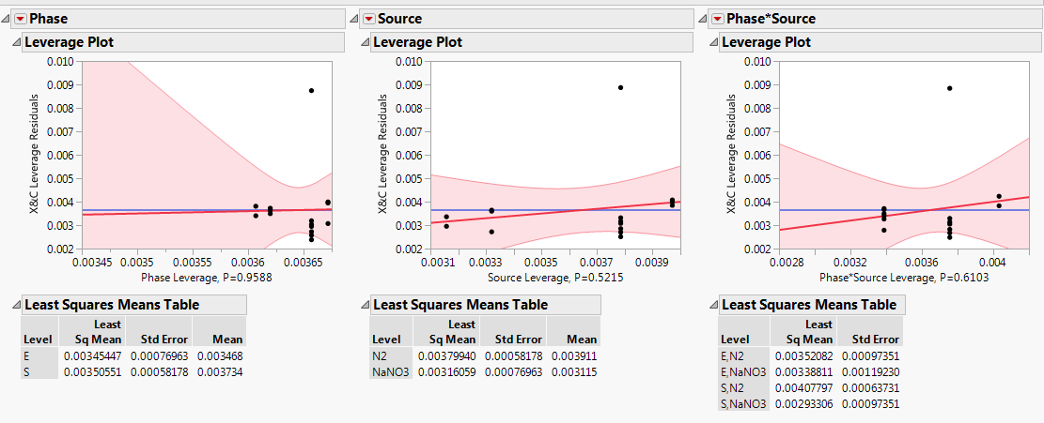
Carotenes and Xanthophylls g/gDW | Growth Phase | Nitrogen source
0.0023 | Stationary (S) | NaNO3
0.0032 | Stationary (S) | NaNO3
0.0036 | Exponential (E) | NaNO3
0.0032 | Exponential (E) | NaNO3
0.0033 | Stationary (S) | NaNO3
0.0035 | Stationary (S) | N2
0.0031 | Stationary (S) | N2
0.0028 | Stationary (S) | N2
0.0034 | Stationary (S) | N2
0.0030 | Stationary (S) | N2
0.0034 | Exponential (E) | N2
0.0035 | Exponential (E) | N2
0.0036 | Exponential (E) | N2
0.0036 | Stationary (S) | N2
0.0092 | Stationary (S) | N2

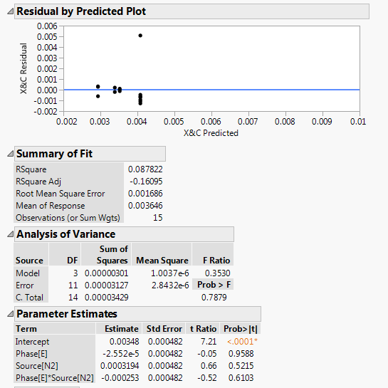
Conclusion:
Total carotenoid fraction is not affected by Nitrogen source
There is not statistical evidence to reject the null hypothesis

Nitrogen source
p-Value: | 0.52152 | >0.05

Total carotenoid fraction is not affected by Growth phase
There is not statistical evidence to reject the null hypothesis

Growth Phase
p-Value: | 0.95875 | >0.05

APC
Biomass fractions of Anabaena sp. UTEX 2576 (Allophycocyanin)

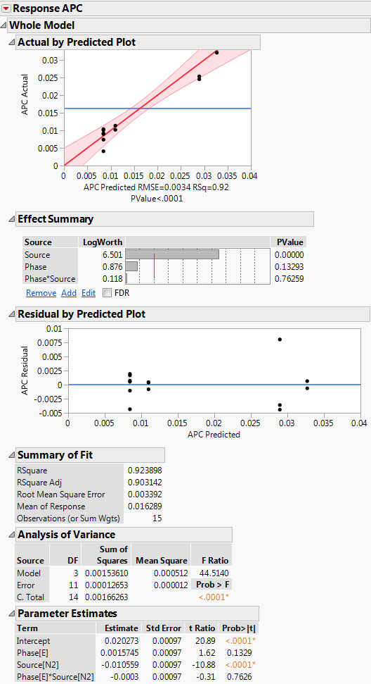
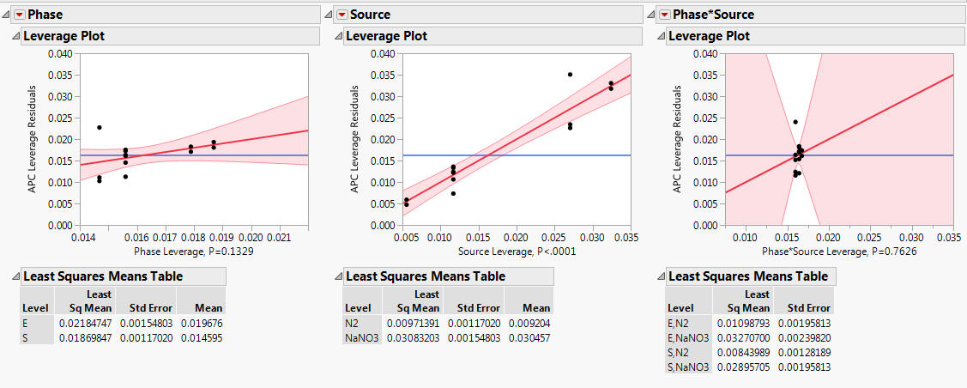
Allophycocyanin (APC) g/gDW | Growth Phase | Nitrogen source
0.02453 | Stationary (S) | NaNO3
0.03699 | Stationary (S) | NaNO3
0.03334 | Exponential (E) | NaNO3
0.03207 | Exponential (E) | NaNO3
0.02535 | Stationary (S) | NaNO3
0.00739 | Stationary (S) | N2
0.00409 | Stationary (S) | N2
0.00897 | Stationary (S) | N2
0.01011 | Stationary (S) | N2
0.01037 | Stationary (S) | N2
0.01144 | Exponential (E) | N2
0.01135 | Exponential (E) | N2
0.01018 | Exponential (E) | N2
0.00899 | Stationary (S) | N2
0.00916 | Stationary (S) | N2

Conclusion:
APC fraction is affected by Nitrogen source
There is statistical evidence to reject the null hypothesis
Mean APC fraction is higher in Cultures with NaNO3
Nitrogen source
p-Value: | <0.0001 | <0.05

APC fraction is not affected by Growth phase
There is not statistical evidence to reject the null hypothesis

Growth Phase
p-Value: | 0.13293 | >0.05

CPC
Biomass fractions of Anabaena sp. UTEX 2576 (C-Phycocyanin)
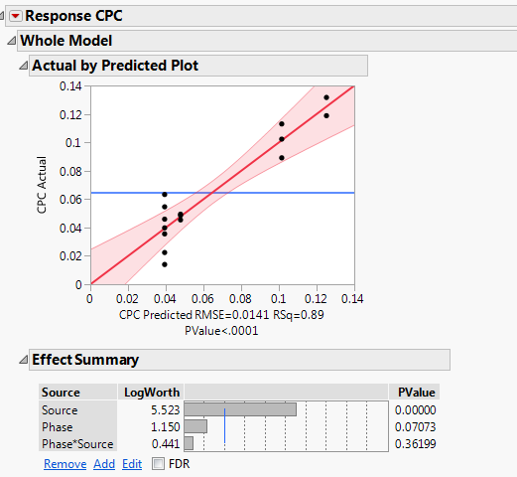
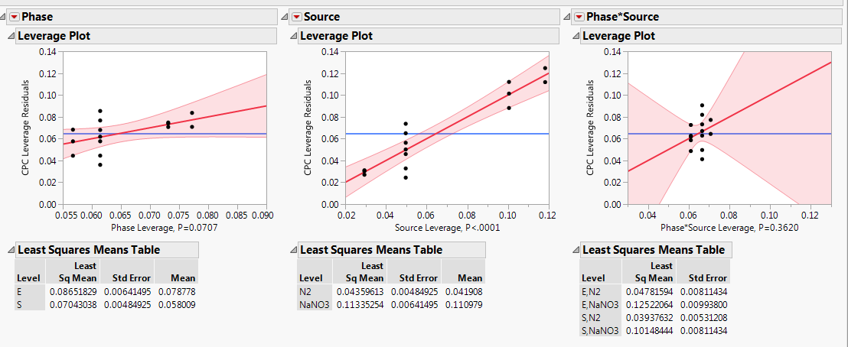
C-Phycocyanin (CPC) g/gDW | Growth Phase | Nitrogen source
0.02453 | Stationary (S) | NaNO3
0.03699 | Stationary (S) | NaNO3
0.03334 | Exponential (E) | NaNO3
0.03207 | Exponential (E) | NaNO3
0.02535 | Stationary (S) | NaNO3
0.00739 | Stationary (S) | N2
0.00409 | Stationary (S) | N2
0.00897 | Stationary (S) | N2
0.01011 | Stationary (S) | N2
0.01037 | Stationary (S) | N2
0.01144 | Exponential (E) | N2
0.01135 | Exponential (E) | N2
0.01018 | Exponential (E) | N2
0.00899 | Stationary (S) | N2
0.00916 | Stationary (S) | N2

Conclusion:
CPC fraction is affected by Nitrogen source
There is statistical evidence to reject the null hypothesis
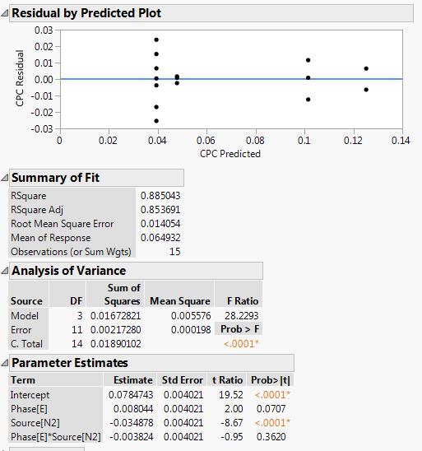
Mean CPC fraction is higher in Cultures with NaNO3
Nitrogen source
p-Value: | <0.0001 | <0.05

CPC fraction is not affected by Growth phase
There is not statistical evidence to reject the null hypothesis

Growth Phase
p-Value: | 0.07073 | >0.05

PEC
Biomass fractions of Anabaena sp. UTEX 2576 (Phycoerythrocyanin)

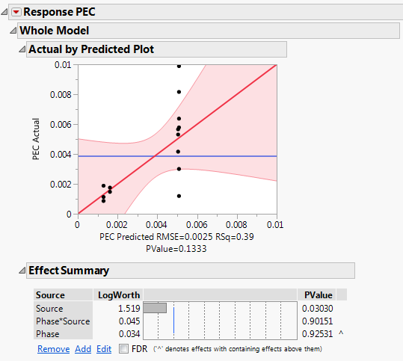
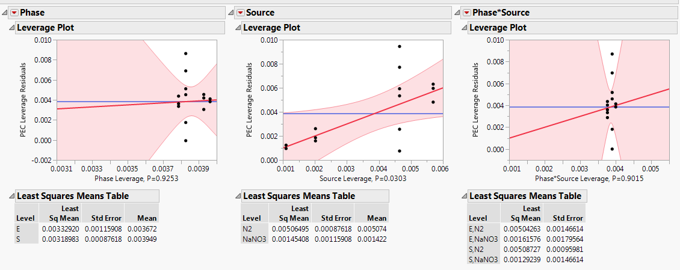
Phycoerythrocyanin (PEC) g/gDW | Growth Phase | Nitrogen source
0.00188 | Stationary (S) | NaNO3
0.00087 | Stationary (S) | NaNO3
0.00176 | Exponential (E) | NaNO3
0.00148 | Exponential (E) | NaNO3
0.00113 | Stationary (S) | NaNO3
0.00120 | Stationary (S) | N2
0.00121 | Stationary (S) | N2
0.00989 | Stationary (S) | N2
0.00300 | Stationary (S) | N2
0.00816 | Stationary (S) | N2
0.00531 | Exponential (E) | N2
0.00566 | Exponential (E) | N2
0.00416 | Exponential (E) | N2
0.00637 | Stationary (S) | N2
0.00578 | Stationary (S) | N2

Conclusion:
PEC fraction is affected by Nitrogen source
There is statistical evidence to reject the null hypothesis
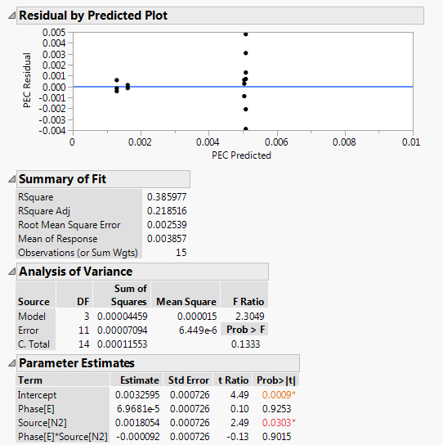
Mean PEC fraction is higher in Cultures with NaNO3
Nitrogen source
p-Value: | 0.0303 | <0.05

PEC fraction is not affected by Growth phase
There is not statistical evidence to reject the null hypothesis

Growth Phase
p-Value: | 0.92531 | >0.05

Cyanophycin
Biomass fractions of Anabaena sp. UTEX 2576 (Cyanophycin)

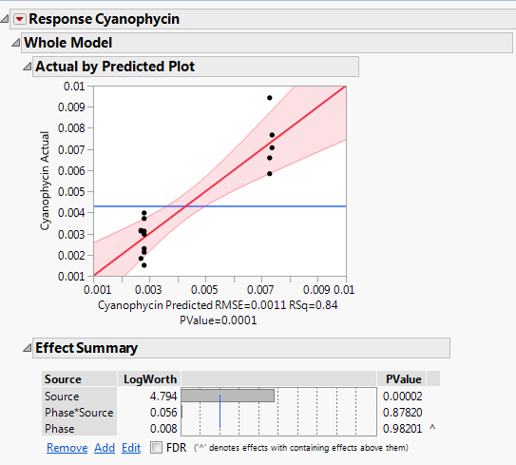
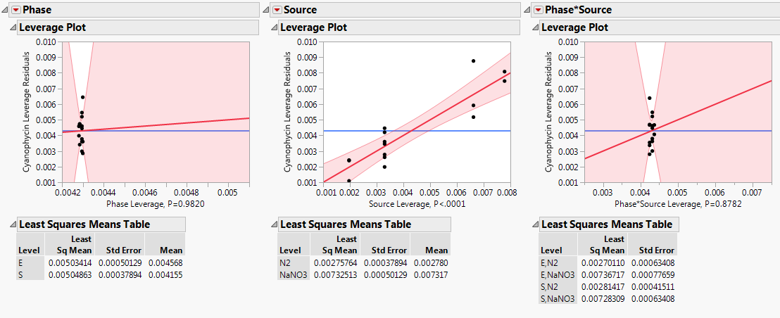
Cyanophycin g/gDW | Growth Phase | Nitrogen source
0.00659 | Stationary (S) | NaNO3
0.00584 | Stationary (S) | NaNO3
0.00767 | Exponential (E) | NaNO3
0.00707 | Exponential (E) | NaNO3
0.00943 | Stationary (S) | NaNO3
0.00312 | Stationary (S) | N2
0.00150 | Stationary (S) | N2
0.00212 | Stationary (S) | N2
0.00229 | Stationary (S) | N2
0.00297 | Stationary (S) | N2
0.00315 | Exponential (E) | N2
0.00312 | Exponential (E) | N2
0.00183 | Exponential (E) | N2
0.00372 | Stationary (S) | N2
0.00398 | Stationary (S) | N2

Conclusion:
Cyanophycin fraction is affected by Nitrogen source
There is statistical evidence to reject the null hypothesis
Mean Cyanophycin fraction is higher in Cultures with NaNO3
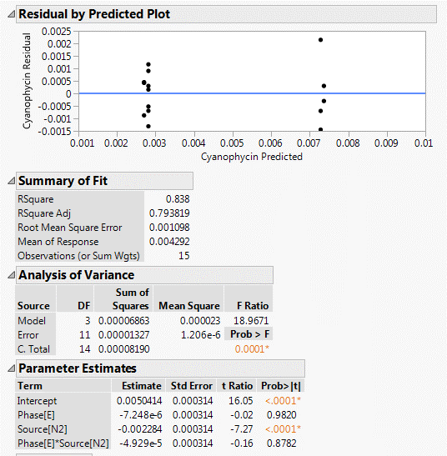
Nitrogen source
p-Value: | 0.00002 | <0.05

Cyanophycin fraction is not affected by Growth phase
There is not statistical evidence to reject the null hypothesis

Growth Phase
p-Value: | 0.98201 | >0.05

C6-0
Biomass fractions of Anabaena sp. UTEX 2576 (C6:0 FAME)
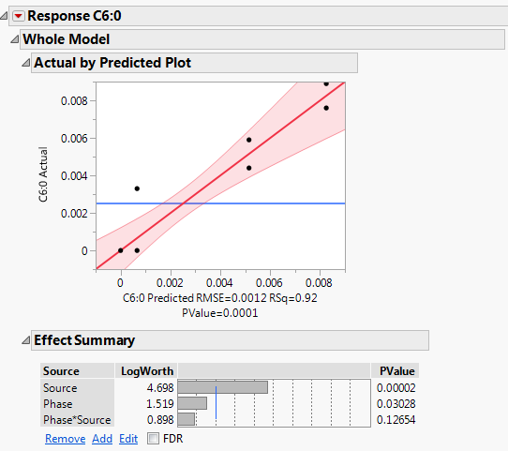
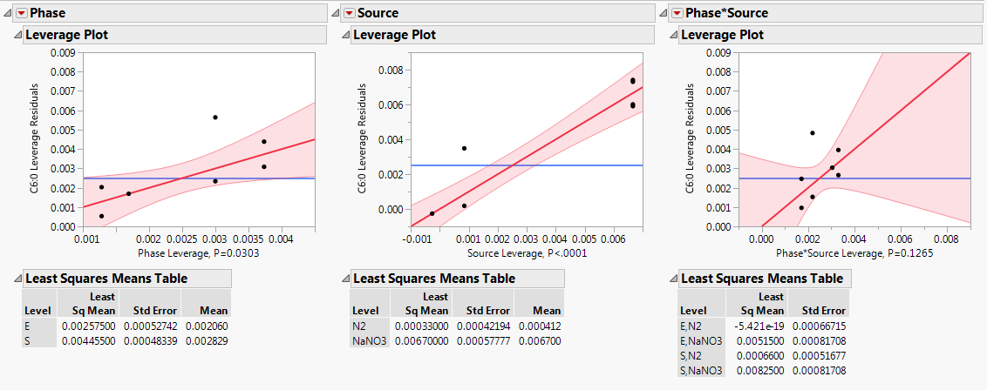
C6:0 FAME g/gDW | Growth Phase | Nitrogen source
0.00760 | Stationary (S) | NaNO3
0.00590 | Exponential (E) | NaNO3
0.00440 | Exponential (E) | NaNO3
0.00890 | Stationary (S) | NaNO3
0.00330 | Stationary (S) | N2
0.00000 | Stationary (S) | N2
0.00000 | Stationary (S) | N2
0.00000 | Exponential (E) | N2
0.00000 | Exponential (E) | N2
0.00000 | Exponential (E) | N2
0.00000 | Stationary (S) | N2
0.00000 | Stationary (S) | N2

Conclusion:
C6:0 FAME fraction is affected by Nitrogen source
There is statistical evidence to reject the null hypothesis
Mean C6:0 FAME fraction is higher in Cultures with NaNO3
Nitrogen source
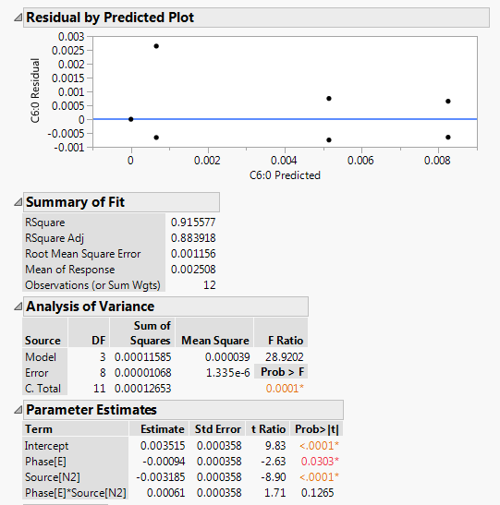
p-Value: | <0.0001 | <0.05

C6:0 FAME fraction is affected by Growth phase
There is statistical evidence to reject the null hypothesis
Mean C6:0 FAME fraction is higher in Cultures in Stationary phase
Growth phase
p-Value: | 0.0303 | <0.05

C10-0
Biomass fractions of Anabaena sp. UTEX 2576 (C10:0 FAME)
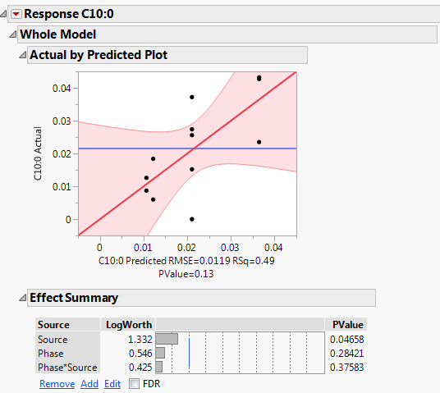
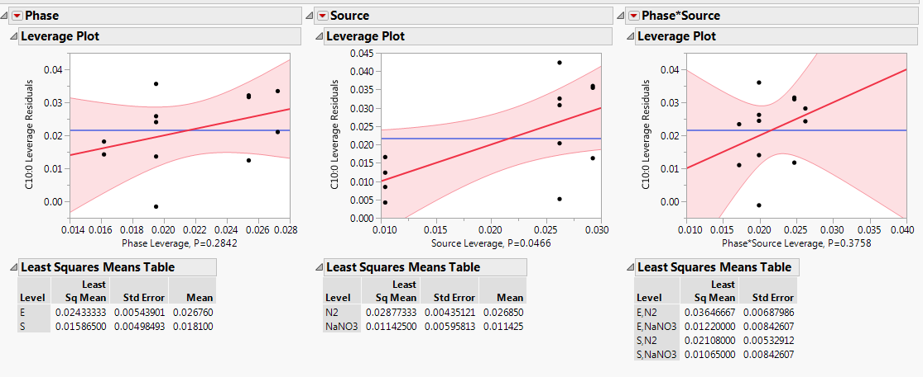
C10:0 FAME g/gDW | Growth Phase | Nitrogen source
0.00870 | Stationary (S) | NaNO3
0.00600 | Exponential (E) | NaNO3
0.01840 | Exponential (E) | NaNO3
0.01260 | Stationary (S) | NaNO3
0.00000 | Stationary (S) | N2
0.03720 | Stationary (S) | N2
0.01520 | Stationary (S) | N2
0.04320 | Exponential (E) | N2
0.02350 | Exponential (E) | N2
0.04270 | Exponential (E) | N2
0.02560 | Stationary (S) | N2
0.02740 | Stationary (S) | N2

Conclusion:
C10:0 FAME fraction is affected by Nitrogen source
There is statistical evidence to reject the null hypothesis
Mean C10:0 FAME fraction is higher in Cultures with N2
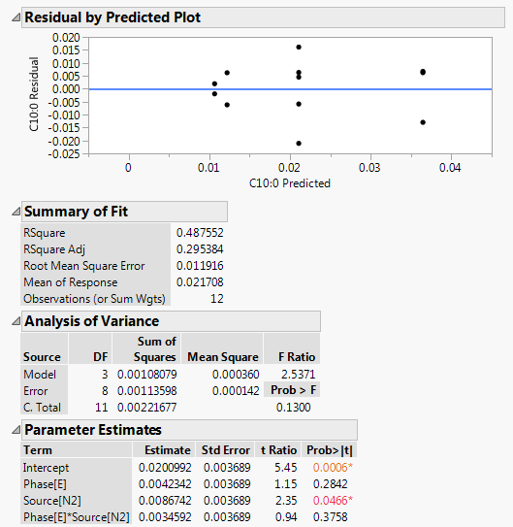
Nitrogen source
p-Value: | 0.0466 | <0.05

C10:0 FAME fraction is not affected by Growth phase
There is not statistical evidence to reject the null hypothesis

Growth phase
p-Value: | 0.28421 | >0.05

C12-0
Biomass fractions of Anabaena sp. UTEX 2576 (C12:0 FAME)
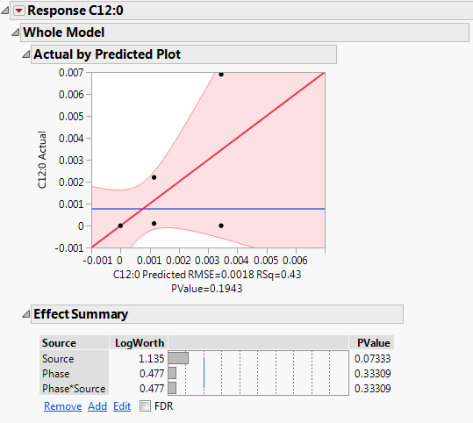
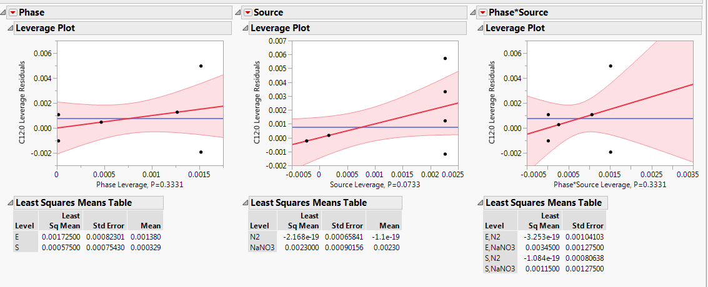
C12:0 FAME g/gDW | Growth Phase | Nitrogen source
0.00010 | Stationary (S) | NaNO3
0.00690 | Exponential (E) | NaNO3
0.00000 | Exponential (E) | NaNO3
0.00220 | Stationary (S) | NaNO3
0.00000 | Stationary (S) | N2
0.00000 | Stationary (S) | N2
0.00000 | Stationary (S) | N2
0.00000 | Exponential (E) | N2
0.00000 | Exponential (E) | N2
0.00000 | Exponential (E) | N2
0.00000 | Stationary (S) | N2
0.00000 | Stationary (S) | N2

Conclusion:
C12:0 FAME fraction is not affected by Nitrogen source
There is not statistical evidence to reject the null hypothesis

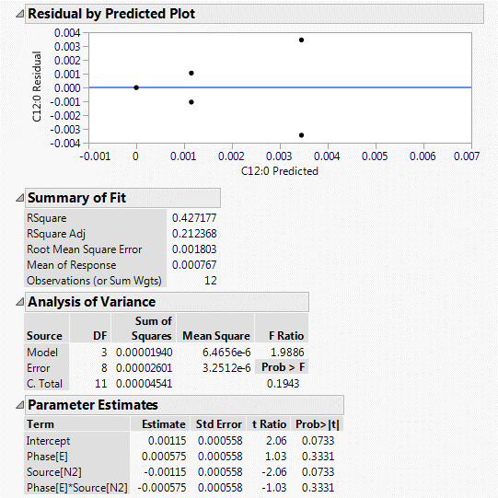
Nitrogen source
p-Value: | 0.0733 | >0.05

C12:0 FAME fraction is not affected by Growth phase
There is not statistical evidence to reject the null hypothesis

Growth phase
p-Value: | 0.33309 | >0.05

C14-0
Biomass fractions of Anabaena sp. UTEX 2576 (C14:0 FAME)
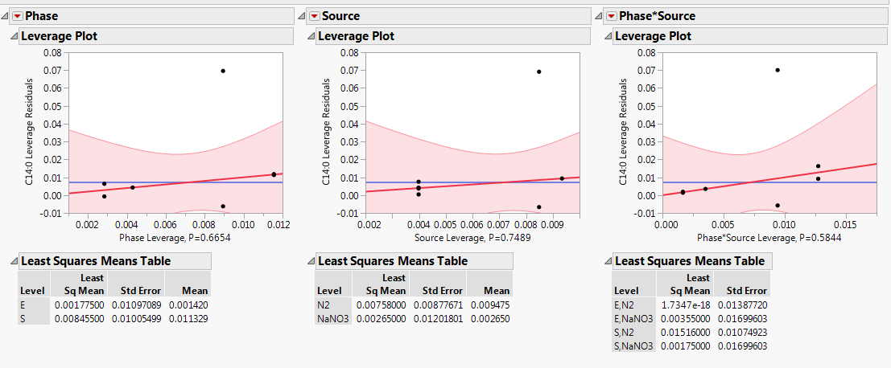
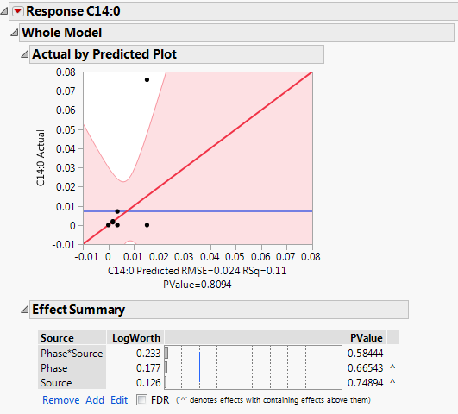
C14:0 FAME g/gDW | Growth Phase | Nitrogen source
0.00150 | Stationary (S) | NaNO3
0.00710 | Exponential (E) | NaNO3
0.00000 | Exponential (E) | NaNO3
0.00200 | Stationary (S) | NaNO3
0.07580 | Stationary (S) | N2
0.00000 | Stationary (S) | N2
0.00000 | Stationary (S) | N2
0.00000 | Exponential (E) | N2
0.00000 | Exponential (E) | N2
0.00000 | Exponential (E) | N2
0.00000 | Stationary (S) | N2
0.00000 | Stationary (S) | N2

Conclusion:
C14:0 FAME fraction is not affected by Nitrogen source
There is not statistical evidence to reject the null hypothesis

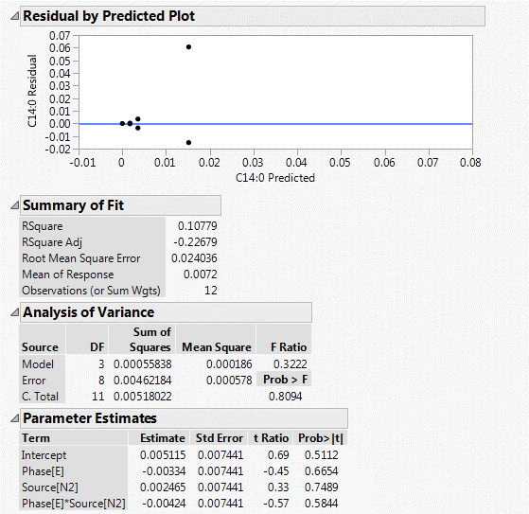
Nitrogen source
p-Value: | 0.66543 | >0.05

C14:0 FAME fraction is not affected by Growth phase
There is not statistical evidence to reject the null hypothesis

Growth phase
p-Value: | 0.74894 | >0.05

C16-0
Biomass fractions of Anabaena sp. UTEX 2576 (C16:0 FAME)
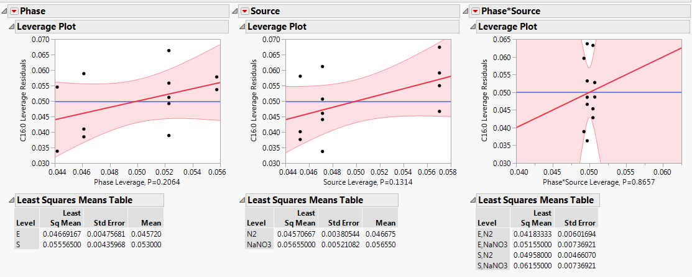
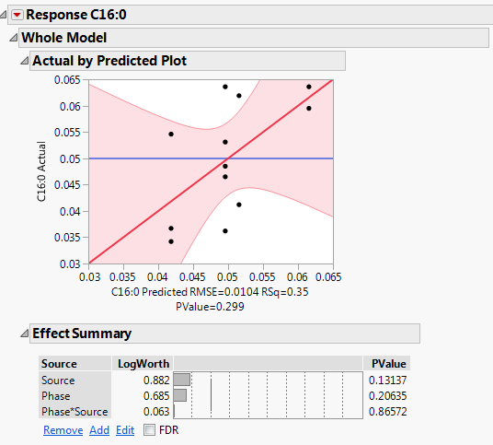
C16:0 FAME g/gDW | Growth Phase | Nitrogen source
0.05950 | Stationary (S) | NaNO3
0.04120 | Exponential (E) | NaNO3
0.06190 | Exponential (E) | NaNO3
0.06360 | Stationary (S) | NaNO3
0.04850 | Stationary (S) | N2
0.04650 | Stationary (S) | N2
0.03620 | Stationary (S) | N2
0.03670 | Exponential (E) | N2
0.03420 | Exponential (E) | N2
0.05460 | Exponential (E) | N2
0.06360 | Stationary (S) | N2
0.05310 | Stationary (S) | N2

Conclusion:
C16:0 FAME fraction is not affected by Nitrogen source
There is not statistical evidence to reject the null hypothesis

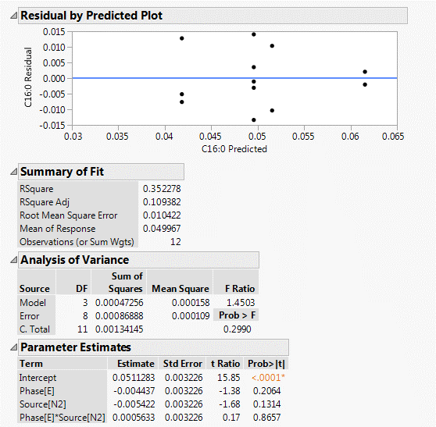
Nitrogen source
p-Value: | 0.13137 | >0.05

C16:0 FAME fraction is not affected by Growth phase
There is not statistical evidence to reject the null hypothesis

Growth phase
p-Value: | 0.20635 | >0.05

C16-1
Biomass fractions of Anabaena sp. UTEX 2576 (C16:1 FAME)

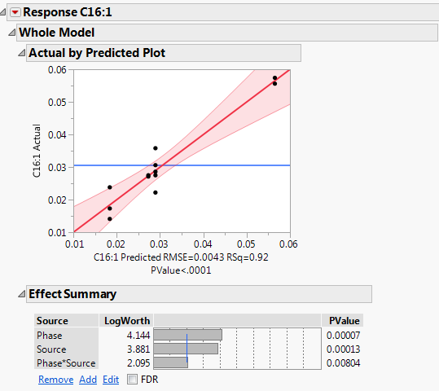
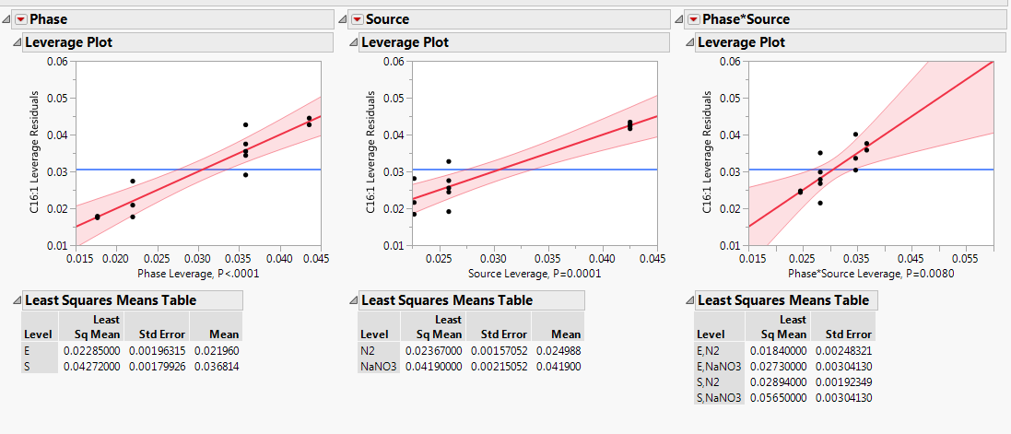
C16:1 FAME g/gDW | Growth Phase | Nitrogen source
0.05740 | Stationary (S) | NaNO3
0.02750 | Exponential (E) | NaNO3
0.02710 | Exponential (E) | NaNO3
0.05560 | Stationary (S) | NaNO3
0.03580 | Stationary (S) | N2
0.02860 | Stationary (S) | N2
0.02220 | Stationary (S) | N2
0.01730 | Exponential (E) | N2
0.01410 | Exponential (E) | N2
0.02380 | Exponential (E) | N2
0.03060 | Stationary (S) | N2
0.02750 | Stationary (S) | N2

Conclusion:
C16:1 FAME fraction is affected by Nitrogen source
There is statistical evidence to reject the null hypothesis
Mean C16:1 FAME fraction is higher in Cultures with NaNO3
Nitrogen source
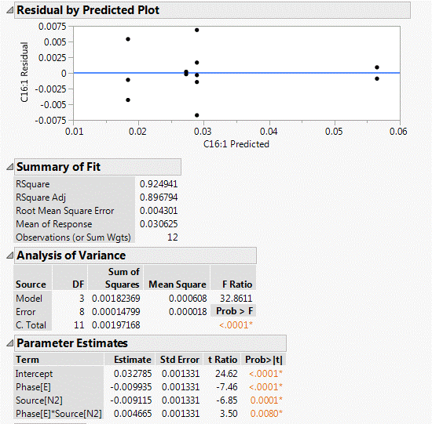
p-Value: | 0.00013 | <0.05

C16:1 FAME fraction is affected by Growth phase
There is statistical evidence to reject the null hypothesis
Mean C16:1 FAME fraction is higher in stationary phase
Growth phase
p-Value: | 0.00007 | <0.05

C18-0
Biomass fractions of Anabaena sp. UTEX 2576 (C18:0 FAME)


C18:0 FAME g/gDW | Growth Phase | Nitrogen source
0.00010 | Stationary (S) | NaNO3
0.00200 | Exponential (E) | NaNO3
0.00000 | Exponential (E) | NaNO3
0.00010 | Stationary (S) | NaNO3
0.00380 | Stationary (S) | N2
0.00550 | Stationary (S) | N2
0.00260 | Stationary (S) | N2
0.00000 | Exponential (E) | N2
0.00280 | Exponential (E) | N2
0.00000 | Exponential (E) | N2
0.00200 | Stationary (S) | N2
0.00180 | Stationary (S) | N2

Conclusion:
C18:0 FAME fraction is not affected by Nitrogen source
There is not statistical evidence to reject the null hypothesis


Nitrogen source
p-Value: | 0.13428 | >0.05

C18:0 FAME fraction is not affected by Growth phase
There is not statistical evidence to reject the null hypothesis

Growth phase
p-Value: | 0.48498 | >0.05

C18-1
Biomass fractions of Anabaena sp. UTEX 2576 (C18:1 FAME)



C18:1 FAME g/gDW | Growth Phase | Nitrogen source
0.04330 | Stationary (S) | NaNO3
0.00620 | Exponential (E) | NaNO3
0.01720 | Exponential (E) | NaNO3
0.05010 | Stationary (S) | NaNO3
0.01520 | Stationary (S) | N2
0.00700 | Stationary (S) | N2
0.01160 | Stationary (S) | N2
0.00670 | Exponential (E) | N2
0.00230 | Exponential (E) | N2
0.01180 | Exponential (E) | N2
0.01480 | Stationary (S) | N2
0.00290 | Stationary (S) | N2

Conclusion:
C18:1 FAME fraction is affected by Nitrogen source
There is statistical evidence to reject the null hypothesis
Mean C18:1 FAME fraction is higher in Cultures with NaNO3
Nitrogen source

p-Value: | 0.0003 | <0.05

C18:1 FAME fraction is affected by Growth phase
There is statistical evidence to reject the null hypothesis
Mean C18:1 FAME fraction is higher in Cultures in stationary phase
Growth phase
p-Value: | 0.00048 | <0.05

C18-2
Biomass fractions of Anabaena sp. UTEX 2576 (C18:2 FAME)



C18:2 FAME g/gDW | Growth Phase | Nitrogen source
0.02360 | Stationary (S) | NaNO3
0.01870 | Exponential (E) | NaNO3
0.02090 | Exponential (E) | NaNO3
0.02440 | Stationary (S) | NaNO3
0.02900 | Stationary (S) | N2
0.02120 | Stationary (S) | N2
0.01970 | Stationary (S) | N2
0.03560 | Exponential (E) | N2
0.01000 | Exponential (E) | N2
0.02460 | Exponential (E) | N2
0.03320 | Stationary (S) | N2
0.01790 | Stationary (S) | N2

Conclusion:
C18:2 FAME fraction is not affected by Nitrogen source
There is not statistical evidence to reject the null hypothesis


Nitrogen source
p-Value: | 0.70954 | >0.05

C18:2 FAME fraction is not affected by Growth phase
There is not statistical evidence to reject the null hypothesis

Growth phase
p-Value: | 0.6252 | >0.05

C18-3
Biomass fractions of Anabaena sp. UTEX 2576 (C18:3 FAME)



C18:3 FAME g/gDW | Growth Phase | Nitrogen source
0.00440 | Stationary (S) | NaNO3
0.03750 | Exponential (E) | NaNO3
0.04020 | Exponential (E) | NaNO3
0.00610 | Stationary (S) | NaNO3
0.03320 | Stationary (S) | N2
0.04280 | Stationary (S) | N2
0.01880 | Stationary (S) | N2
0.02790 | Exponential (E) | N2
0.02570 | Exponential (E) | N2
0.04330 | Exponential (E) | N2
0.03740 | Stationary (S) | N2
0.03290 | Stationary (S) | N2

Conclusion:
C18:3 FAME fraction is not affected by Nitrogen source
There is not statistical evidence to reject the null hypothesis


Nitrogen source
p-Value: | 0.0633 | >0.05

C18:3 FAME fraction is affected by Growth phase
There is statistical evidence to reject the null hypothesis
Mean C18:3 FAME fraction is higher in Cultures in exponential phase
Growth phase
p-Value: | 0.01026 | <0.05

